SS25_Order sheet
 |  |  |  |  |  |  |  |  |  |  | QTY |  | JPY TTL
 |  |  |  |  |  |  | OUTER |  |  |  | 0 |  | ¥0
 | SPRING SUMMER 2025 |  |  |  |  |  | TOPS |  |  |  | 0 |  | ¥0
 |  |  |  |  |  |  | BOTTOM |  |  |  | 0 |  | ¥0
 | ORDER SHEET |  |  |  |  |  | OTHER |  |  |  | 0 |  | ¥0
 |  |  |  |  |  |  | TOTAL |  |  |  | 0 |  | ¥0
 | SHOP NAME :
 |  |  |  |  |  |  | お取引条件 |  |  |  | 下代で￥30,000未満の場合は送料ご負担願います
 | COMPANY NAME :
 |  |  |  |  |  |  | 掛け率：上代の60％ |  |  |  | お取引初年度はCODにてお願い申し上げます
 | BUYER NAME :

 | MAIL ADDRSS : |  |  |  |  |  | Delivery |  |  |  |  |  | End of MAR 2025

NO. | DESCRIPTION/NAME | DELIVERY | PRICE | TOTAL | COLOR | SIZE | XS | S | M | L | XL | 2XL | ATTENTION/NOTE
 |  |  |  |  |  | QTY
1 | FA001 |  | 上代(本体価格) | 0 | 001 BLACK | 0 |  |  |  |  |  |  | COMPOSITION:NYLON 100%
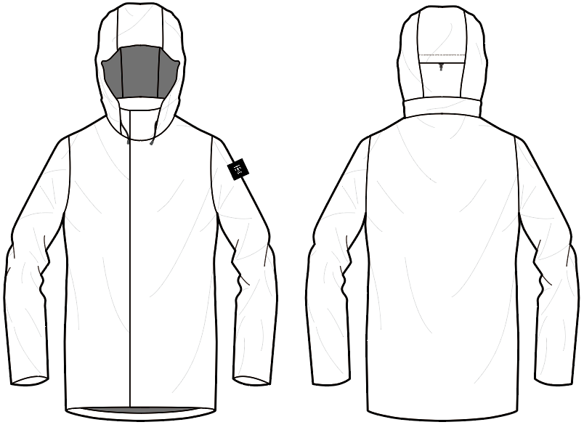
 | KENROKU |  | ¥22,000 | 0 | 050 CHARCOAL | 0 |  |  |  |  |  |  | WEIGHT(L)：370g
 |  |  |  | 0 | 400 NAVY | 0 |  |  |  |  |  |  | FUNCTION：Water-repellent
 |  | MAR | 下代(本体価格) | 0 | 601 OLIVE | 0 |  |  |  |  |  |  | Waterproof
 |  |  | ¥13,200 |  |  |  |  |  |  |  |  |  | Breathable
 |  |  |  |  |  |  |  |  |  |  |  |  | Stretch
 |  |  |  |  |  |  |  |  |  |  |  |  | Packable
 |  |  |  | 0 |  | 0 | 0 | 0 | 0 | 0 | 0 | 0
NO. | DESCRIPTION/NAME | DEL | PRICE | TOTAL | COLOR | SIZE | S | M | L | XL | 2XL |  | ATTENTION/NOTE
 |  |  |  |  |  | QTY
2 | FA002 |  | 上代(本体価格) | 0 | 001 BLACK | 0 |  |  |  |  |  |  | COMPOSITION:NYLON 100%
 | BUKE JK |  | ¥17,000 | 0 | 050 CHARCOAL | 0 |  |  |  |  |  |  | WEIGHT(L)：330g
 | 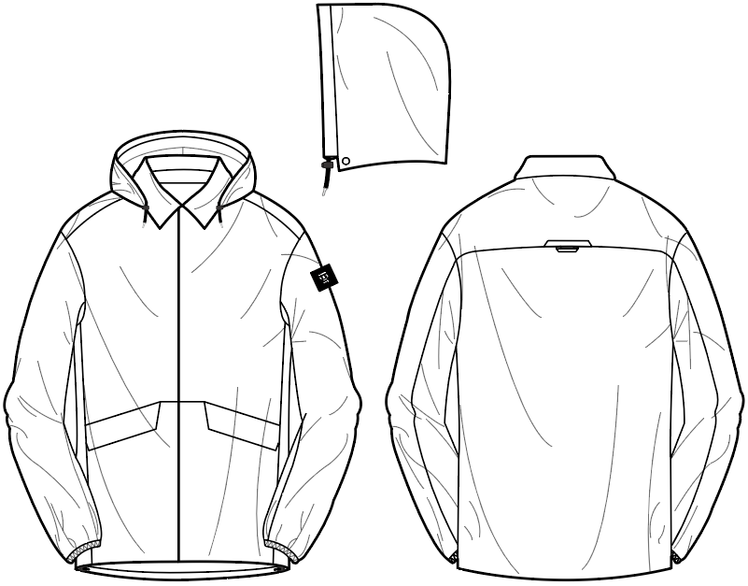 |  |  | 0 | 400 NAVY | 0 |  |  |  |  |  |  | FUNCTION：Water-repellent
 |  | MAR | 下代(本体価格) | 0 | 601 OLIVE | 0 |  |  |  |  |  |  | Waterproof
 |  |  | ¥10,200 |  |  |  |  |  |  |  |  |  | Breathable
 |  |  |  |  |  |  |  |  |  |  |  |  | Stretch
 |  |  |  |  |  |  |  |  |  |  |  |  | Packable
 |  |  |  | 0 |  | 0 | 0 | 0 | 0 | 0 | 0
NO. | DESCRIPTION/NAME | DEL | PRICE | TOTAL | COLOR | SIZE | S | M | L | XL | 2XL |  | ATTENTION/NOTE
 |  |  |  |  |  | QTY
3 | FA003 |  | 上代(本体価格) | 0 | 001 BLACK | 0 |  |  |  |  |  |  | COMPOSITION:NYLON 100%
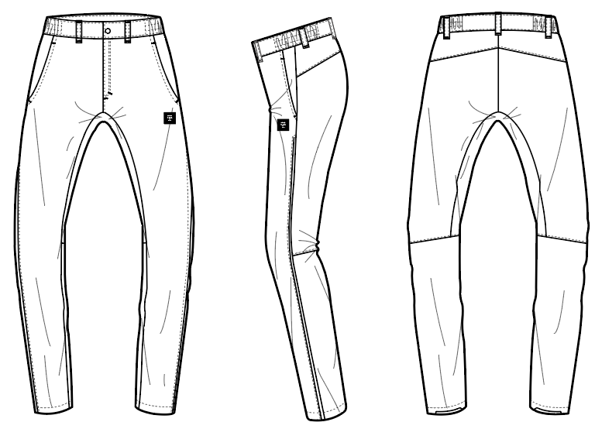
 | BUKE PT |  | ¥12,800 | 0 | 050 CHARCOAL | 0 |  |  |  |  |  |  | WEIGHT(L)：210g
 |  |  |  | 0 | 400 NAVY | 0 |  |  |  |  |  |  | FUNCTION：Water-repellent
 |  | MAR | 下代(本体価格) | 0 | 601 OLIVE | 0 |  |  |  |  |  |  | Waterproof
 |  |  | ¥7,680 |  |  |  |  |  |  |  |  |  | Breathable
 |  |  |  |  |  |  |  |  |  |  |  |  | Stretch
 |  |  |  |  |  |  |  |  |  |  |  |  | Packable
 |  |  |  | 0 |  | 0 | 0 | 0 | 0 | 0 | 0
NO. | DESCRIPTION/NAME | DEL | PRICE | TOTAL | COLOR | SIZE | XS | S | M | L | XL | 2XL | ATTENTION/NOTE
 |  |  |  |  |  | QTY
4 | FA005 |  | 上代(本体価格) | 0 | 001 BLACK | 0 |  |  |  |  |  |  | COMPOSITION:NYLON 100%
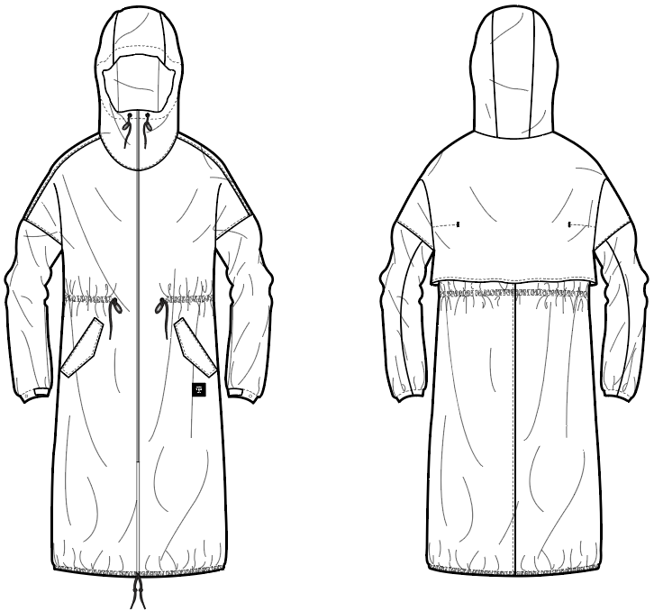
 | MATSU |  | ¥20,000 | 0 | 100 SILVER GRAY | 0 |  |  |  |  |  |  | WEIGHT(L)：270g
 |  |  |  | 0 | 400 NAVY | 0 |  |  |  |  |  |  | FUNCTION：Water-repellent
 |  | MAR | 下代(本体価格) | 0 | 601 OLIVE | 0 |  |  |  |  |  |  | Waterproof
 |  |  | ¥12,000 |  |  |  |  |  |  |  |  |  | Breathable
 |  |  |  |  |  |  |  |  |  |  |  |  | Stretch
 |  |  |  |  |  |  |  |  |  |  |  |  | Packable
 |  |  |  | 0 |  | 0 | 0 | 0 | 0 | 0 | 0 | 0
NO. | DESCRIPTION/NAME | DEL | PRICE | TOTAL | COLOR | SIZE | Free |  |  |  |  |  | ATTENTION/NOTE
 |  |  |  |  |  | QTY
5 | FA008 |  | 上代(本体価格) | 0 | 001 BLACK | 0 |  |  |  |  |  |  | COMPOSITION:NYLON 100%
 | KAGA |  | ¥13,000 | 0 | 050 CHARCOAL | 0 |  |  |  |  |  |  | WEIGHT：260g
 |  |  |  | 0 | 400 NAVY | 0 |  |  |  |  |  |  | FUNCTION：Water-repellent
 |  | MAR | 下代(本体価格) | 0 | 758 OCHRE | 0 |  |  |  |  |  |  | Waterproof
 |  |  | ¥7,800 |  |  |  |  |  |  |  |  |  | Breathable
 |  |  |  |  |  |  |  |  |  |  |  |  | Stretch
 |  |  |  |  |  |  |  |  |  |  |  |  | Packable
 |  |  |  | 0 |  | 0 | 0
NO. | DESCRIPTION/NAME | DEL | PRICE | TOTAL | COLOR | SIZE | S | M | L | XL |  |  | ATTENTION/NOTE
 |  |  |  |  |  | QTY
6 | FA011 |  | 上代(本体価格) | 0 | 001 BLACK | 0 |  |  |  |  |  |  | COMPOSITION:NYLON 100%
 | SHIGURE |  | ¥15,000 | 0 | 104 WHITE | 0 |  |  |  |  |  |  | WEIGHT(M)：165g
 |  |  |  | 0 | 400 NAVY | 0 |  |  |  |  |  |  | FUNCTION：Water-repellent
 |  | MAR | 下代(本体価格) |  |  |  |  |  |  |  |  |  | Waterproof
 |  |  | ¥9,000 |  |  |  |  |  |  |  |  |  | Breathable
 |  |  |  |  |  |  |  |  |  |  |  |  | Stretch

 |  |  |  | 0 |  | 0 | 0 | 0 | 0 | 0
NO. | DESCRIPTION/NAME | DEL | PRICE | TOTAL | COLOR | SIZE | S | M | L | XL |  |  | ATTENTION/NOTE
 |  |  |  |  |  | QTY
7 | FA012 |  | 上代(本体価格) | 0 | 001 BLACK | 0 |  |  |  |  |  |  | COMPOSITION:NYLON 100%
 | KOTOJI |  | ¥11,000 | 0 | 104 WHITE | 0 |  |  |  |  |  |  | WEIGHT(M)：120g
 |  |  |  | 0 | 400 NAVY | 0 |  |  |  |  |  |  | FUNCTION：Water-repellent
 |  | MAR | 下代(本体価格) |  |  |  |  |  |  |  |  |  | Waterproof
 |  |  | ¥6,600 |  |  |  |  |  |  |  |  |  | Breathable
 |  |  |  |  |  |  |  |  |  |  |  |  | Stretch

 |  |  |  | 0 |  | 0 | 0 | 0 | 0 | 0
NO. | DESCRIPTION/NAME | DEL | PRICE | TOTAL | COLOR | SIZE | S | M | L | XL |  |  | ATTENTION/NOTE
 |  |  |  |  |  | QTY
8 | FA013 |  | 上代(本体価格) | 0 | 050 CHARCOAL | 0 |  |  |  |  |  |  | COMPOSITION:NYLON 100%
 | YUZEN |  | ¥24,000 | 0 | 105 BEIGE | 0 |  |  |  |  |  |  | WEIGHT(M)：220g
 |  |  |  | 0 | 400 NAVY | 0 |  |  |  |  |  |  | FUNCTION：Water-repellent
 |  | MAR | 下代(本体価格) |  |  |  |  |  |  |  |  |  | Waterproof
 |  |  | ¥14,400 |  |  |  |  |  |  |  |  |  | Breathable
 |  |  |  |  |  |  |  |  |  |  |  |  | Stretch
 |  |  |  |  |  |  |  |  |  |  |  |  | Packable
 |  |  |  | 0 |  | 0 | 0 | 0 | 0 | 0
NO. | DESCRIPTION/NAME | DEL | PRICE | TOTAL | COLOR | SIZE | XS | S | M | L | XL | 2XL | ATTENTION/NOTE
 |  |  |  |  |  | QTY
9 | FA015 |  | 上代(本体価格) | 0 | 001 BLACK | 0 |  |  |  |  |  |  | COMPOSITION:NYLON 100%
 | PONCHO |  | ¥27,000 | 0 | 050 CHARCOAL | 0 |  |  |  |  |  |  | WEIGHT(M)：280g
 | 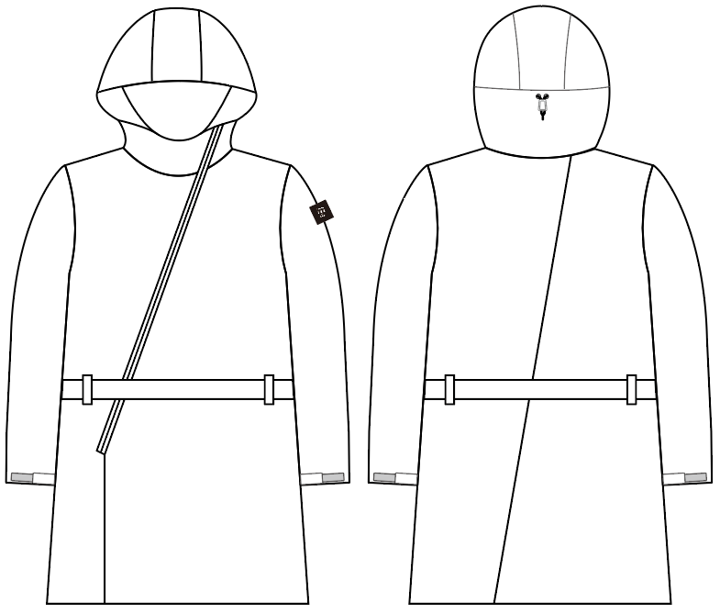 |  |  | 0 | 400 NAVY | 0 |  |  |  |  |  |  | FUNCTION：Water-repellent
 |  | MAR | 下代(本体価格) | 0 | 601 OLIVE | 0 |  |  |  |  |  |  | Waterproof
 |  |  | ¥16,200 |  |  |  |  |  |  |  |  |  | Breathable
 |  |  |  |  |  |  |  |  |  |  |  |  | Stretch

 |  |  |  | 0 |  | 0 | 0 | 0 | 0 | 0 | 0 | 0
NO. | DESCRIPTION/NAME | DEL | PRICE | TOTAL | COLOR | SIZE | XS | S | M | L | XL | 2XL | ATTENTION/NOTE
 |  |  |  |  |  | QTY
10 | FA016 |  | 上代(本体価格) | 0 | 001 BLACK | 0 |  |  |  |  |  |  | COMPOSITION:NYLON 100%
 | CHESTER COAT |  | ¥22,000 | 0 | 050 CHARCOAL | 0 |  |  |  |  |  |  | WEIGHT(M)：270g
 | 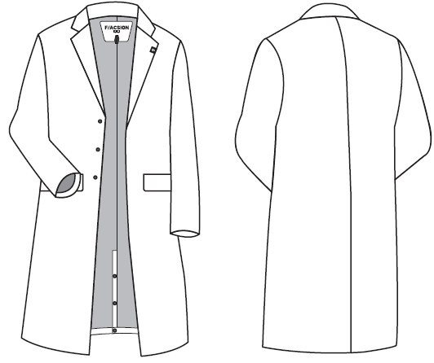 |  |  | 0 | 400 NAVY | 0 |  |  |  |  |  |  | FUNCTION：Water-repellent
 |  | MAR | 下代(本体価格) |  |  |  |  |  |  |  |  |  | Waterproof
 |  |  | ¥13,200 |  |  |  |  |  |  |  |  |  | Breathable
 |  |  |  |  |  |  |  |  |  |  |  |  | Stretch

 |  |  |  | 0 |  | 0 | 0 | 0 | 0 | 0 | 0 | 0
NO. | DESCRIPTION/NAME | DEL | PRICE | TOTAL | COLOR | SIZE | XS | S | M | L | XL | 2XL | ATTENTION/NOTE
 |  |  |  |  |  | QTY
11 | FA017 |  | 上代(本体価格) | 0 | 001 BLACK | 0 |  |  |  |  |  |  | COMPOSITION:NYLON 100%
 | NON-COLLAR JACKET |  | ¥22,000 | 0 | 050 CHARCOAL | 0 |  |  |  |  |  |  | WEIGHT(M)：200g
 |  |  |  | 0 | 400 NAVY | 0 |  |  |  |  |  |  | FUNCTION：Water-repellent
 |  | MAR | 下代(本体価格) |  |  |  |  |  |  |  |  |  | Waterproof
 |  |  | ¥13,200 |  |  |  |  |  |  |  |  |  | Breathable
 |  |  |  |  |  |  |  |  |  |  |  |  | Stretch
 |  |  |  |  |  |  |  |  |  |  |  |  | Packable
 |  |  |  | 0 |  | 0 | 0 | 0 | 0 | 0 | 0 | 0
NO. | DESCRIPTION/NAME | DEL | PRICE | TOTAL | COLOR | SIZE | XS | S | M | L | XL |  | ATTENTION/NOTE
 |  |  |  |  |  | QTY
12 | FA018 |  | 上代(本体価格) | 0 | 104 WHITE | 0 |  |  |  |  |  |  | COMPOSITION:NYLON 100%
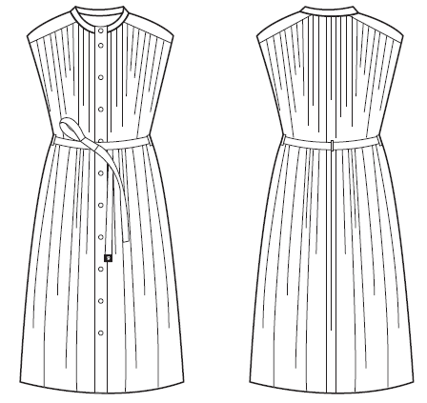
 | ONE PIECE |  | ¥21,000 | 0 | 400 NAVY | 0 |  |  |  |  |  |  | WEIGHT(M)：350g
 |  |  |  | 0 | 758 OCHRE | 0 |  |  |  |  |  |  | FUNCTION：Water-repellent
 |  | MAR | 下代(本体価格) |  |  |  |  |  |  |  |  |  | Waterproof
 |  |  | ¥12,600 |  |  |  |  |  |  |  |  |  | Breathable
 |  |  |  |  |  |  |  |  |  |  |  |  | Stretch

 |  |  |  | 0 |  | 0 | 0 | 0 | 0 | 0 | 0
NO. | DESCRIPTION/NAME | DEL | PRICE | TOTAL | COLOR | SIZE | XS | S | M | L | XL | 2XL | ATTENTION/NOTE
 |  |  |  |  |  | QTY
13 | FA019 |  | 上代(本体価格) | 0 | 001 BLACK | 0 |  |  |  |  |  |  | COMPOSITION:NYLON 100%
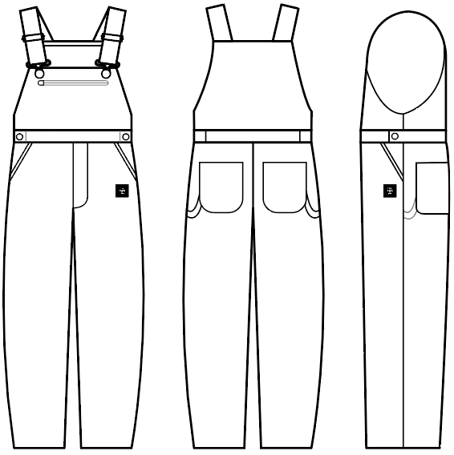
 | OVERALL |  | ¥20,000 | 0 | 400 NAVY | 0 |  |  |  |  |  |  | WEIGHT(M)：260g
 |  |  |  | 0 | 601 OLIVE | 0 |  |  |  |  |  |  | FUNCTION：Water-repellent
 |  | MAR | 下代(本体価格) |  |  |  |  |  |  |  |  |  | Waterproof
 |  |  | ¥12,000 |  |  |  |  |  |  |  |  |  | Breathable
 |  |  |  |  |  |  |  |  |  |  |  |  | Stretch

 |  |  |  | 0 |  | 0 | 0 | 0 | 0 | 0 | 0 | 0
NO. | DESCRIPTION/NAME | DEL | PRICE | TOTAL | COLOR | SIZE | XS | S | M | L | XL | 2XL | ATTENTION/NOTE
 |  |  |  |  |  | QTY
14 | FA020 |  | 上代(本体価格) | 0 | 001 BLACK | 0 |  |  |  |  |  |  | COMPOSITION:NYLON 100%
 | SHORT PANT |  | ¥14,000 | 0 | 400 NAVY | 0 |  |  |  |  |  |  | WEIGHT(L)：120g
 |  |  |  | 0 | 601 OLIVE | 0 |  |  |  |  |  |  | FUNCTION：Water-repellent
 |  | MAR | 下代(本体価格) |  |  |  |  |  |  |  |  |  | Waterproof
 |  |  | ¥8,400 |  |  |  |  |  |  |  |  |  | Breathable
 |  |  |  |  |  |  |  |  |  |  |  |  | Stretch

 |  |  |  | 0 |  | 0 | 0 | 0 | 0 | 0 | 0 | 0
NO. | DESCRIPTION/NAME | DEL | PRICE | TOTAL | COLOR | SIZE | XS | S | M | L | XL | 2XL | ATTENTION/NOTE
 |  |  |  |  |  | QTY
15 | FA021 |  | 上代(本体価格) | 0 | 001 BLACK | 0 |  |  |  |  |  |  | COMPOSITION:NYLON 100%
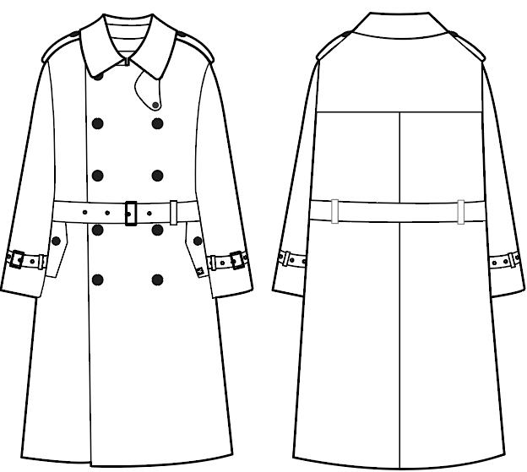
 | TRENCH COAT |  | ¥36,000 | 0 | 105 BEIGE | 0 |  |  |  |  |  |  | WEIGHT(M)：440g
 |  |  |  | 0 | 400 NAVY | 0 |  |  |  |  |  |  | FUNCTION：Water-repellent
 |  | MAR | 下代(本体価格) |  |  |  |  |  |  |  |  |  | Waterproof
 |  |  | ¥21,600 |  |  |  |  |  |  |  |  |  | Breathable
 |  |  |  |  |  |  |  |  |  |  |  |  | Stretch

 |  |  |  | 0 |  | 0 | 0 | 0 | 0 | 0 | 0 | 0
NO. | DESCRIPTION/NAME | DEL | PRICE | TOTAL | COLOR | SIZE | Free |  |  |  |  |  | ATTENTION/NOTE
 |  |  |  |  |  | QTY
16 | FA700 |  | 上代(本体価格) | 0 | 001 BLACK | 0 |  |  |  |  |  |  | COMPOSITION:NYLON 100%
 | HAKU |  | ¥5,400 | 0 | 050 CHARCOAL | 0 |  |  |  |  |  |  | WEIGHT：90g
 |  |  |  | 0 | 400 NAVY | 0 |  |  |  |  |  |  | FUNCTION：Water-repellent
 |  | MAR | 下代(本体価格) |  |  |  |  |  |  |  |  |  | Waterproof
 |  |  | ¥3,240 |  |  |  |  |  |  |  |  |  | Breathable
 |  |  |  |  |  |  |  |  |  |  |  |  | Stretch

 |  |  |  | 0 |  | 0 | 0
NO. | DESCRIPTION/NAME | DEL | PRICE | TOTAL | COLOR | SIZE | Free |  |  |  |  |  | ATTENTION/NOTE
 |  |  |  |  |  | QTY
17 | FA701 |  | 上代(本体価格) | 0 | 050 CHARCOAL | 0 |  |  |  |  |  |  | COMPOSITION:NYLON 100%
 | TEMARI |  | ¥2,700 | 0 | 053 LIGHT GREY | 0 |  |  |  |  |  |  | WEIGHT：20g
 |  |  |  | 0 | 104 OFF WHITE | 0 |  |  |  |  |  |  | FUNCTION：Water-repellent
 |  | MAR | 下代(本体価格) | 0 | 105 BEIGE | 0 |  |  |  |  |  |  | Waterproof
 |  |  | ¥1,620 | 0 | 500 BLUE | 0 |  |  |  |  |  |  | Breathable
 |  |  |  | 0 | 601 OLIVE | 0 |  |  |  |  |  |  | Stretch
 |  |  |  | 0 | 759 H.MUSTARD | 0 |  |  |  |  |  |  | Packable
 |  |  |  | 0 |  | 0 | 0
NO. | DESCRIPTION/NAME | DEL | PRICE | TOTAL | COLOR | SIZE | M | L | XL | 2XL |  |  | ATTENTION/NOTE
 |  |  |  |  |  | QTY
18 | FA702 |  | 上代(本体価格) | 0 | 001 BLACK | 0 |  |  |  |  |  |  | COMPOSITION:NYLON 100%
 | NAMAZUO |  | ¥6,500 | 0 | 050 CHARCOAL | 0 |  |  |  |  |  |  | WEIGHT(XL)：35g
 | 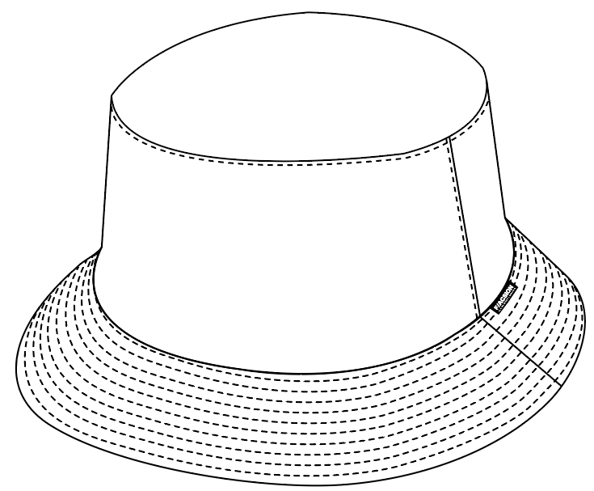 |  |  | 0 | 400 NAVY | 0 |  |  |  |  |  |  | FUNCTION：Water-repellent
 |  | MAR | 下代(本体価格) |  |  |  |  |  |  |  |  |  | Waterproof
 |  |  | ¥3,900 |  |  |  |  |  |  |  |  |  | Breathable
 |  |  |  |  |  |  |  |  |  |  |  |  | Stretch
 |  |  |  |  |  |  |  |  |  |  |  |  | M:55-56.5、L:56.5-58、
 |  |  |  | 0 |  | 0 | 0 | 0 | 0 | 0 |  |  | XL:58-59.5、2XL:60.5-62
NO. | DESCRIPTION/NAME | DEL | PRICE | TOTAL | COLOR | SIZE | S | L |  |  |  |  | ATTENTION/NOTE
 |  |  |  |  |  | QTY
19 | FA703 |  | 上代(本体価格) | 0 | 001 BLACK | 0 |  |  |  |  |  |  | COMPOSITION:NYLON 100%
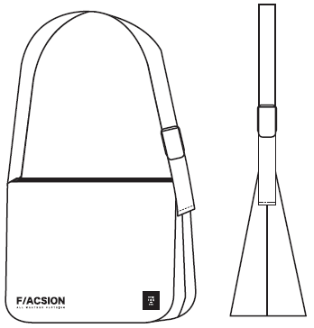
 | MESSENGER BAG |  | ¥9,000 | 0 | 400 NAVY | 0 |  |  |  |  |  |  | WEIGHT(M)：210g
 |  |  |  |  |  |  |  |  |  |  |  |  | FUNCTION：Water-repellent
 |  | MAR | 下代(本体価格) |  |  |  |  |  |  |  |  |  | Waterproof
 |  |  | ¥5,400 |  |  |  |  |  |  |  |  |  | Breathable
 |  |  |  |  |  |  |  |  |  |  |  |  | Stretch

 |  |  |  | 0 |  | 0 | 0 | 0
NO. | DESCRIPTION/NAME | DEL | PRICE | TOTAL | COLOR | SIZE | Free |  |  |  |  |  | ATTENTION/NOTE
 |  |  |  |  |  | QTY
20 | FA704 |  | 上代(本体価格) | 0 | 001 BLACK | 0 |  |  |  |  |  |  | COMPOSITION:NYLON 100%
 | BAGPACK |  | ¥13,000 | 0 | 400 NAVY | 0 |  |  |  |  |  |  | WEIGHT(M)：200g
 | 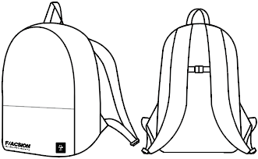 |  |  |  |  |  |  |  |  |  |  |  | FUNCTION：Water-repellent
 |  | MAR | 下代(本体価格) |  |  |  |  |  |  |  |  |  | Waterproof
 |  |  | ¥7,800 |  |  |  |  |  |  |  |  |  | Breathable
 |  |  |  |  |  |  |  |  |  |  |  |  | Stretch

 |  |  |  | 0 |  | 0 | 0
NO. | DESCRIPTION/NAME | DEL | PRICE | TOTAL | COLOR | SIZE | Free |  |  |  |  |  | ATTENTION/NOTE
 |  |  |  |  |  | QTY
21 | FA705 |  | 上代(本体価格) | 0 | 001 BLACK | 0 |  |  |  |  |  |  | COMPOSITION:NYLON 100%
 | NECKTIE |  | ¥2,700 | 0 | 400 NAVY | 0 |  |  |  |  |  |  | WEIGHT：20g
 |  |  |  |  |  |  |  |  |  |  |  |  | FUNCTION：Water-repellent
 |  | MAR | 下代(本体価格) |  |  |  |  |  |  |  |  |  | Waterproof
 |  |  | ¥1,620 |  |  |  |  |  |  |  |  |  | Breathable
 |  |  |  |  |  |  |  |  |  |  |  |  | Stretch

 |  |  |  | 0 |  | 0 | 0
NO. | DESCRIPTION/NAME | DEL | PRICE | TOTAL | COLOR | SIZE | Free |  |  |  |  |  | ATTENTION/NOTE
 |  |  |  |  |  | QTY
22 | FA706 |  | 上代(本体価格) | 0 | 001 BLACK | 0 |  |  |  |  |  |  | COMPOSITION:NYLON 100%
 | BELT |  | ¥1,800 | 0 | 400 NAVY | 0 |  |  |  |  |  |  | WEIGHT：15g
 |  |  |  |  |  |  |  |  |  |  |  |  | FUNCTION：Water-repellent
 |  | MAR | 下代(本体価格) |  |  |  |  |  |  |  |  |  | Waterproof
 |  |  | ¥1,080 |  |  |  |  |  |  |  |  |  | Breathable
 |  |  |  |  |  |  |  |  |  |  |  |  | Stretch

 |  |  |  | 0 |  | 0 | 0

