Info
Information about this workbook
Name | Packing list A4
Version number: | 2023 v.1.2
Designed by: | © Our Family Software
Automations: | None
Margins: | Top, left and right: 0.5 cm Bottom: 1.2 cm
Default print and paper size: | A4, landscape Fit to 1 page wide by 2 page tall.
Skrift: | Default font size : 11 pt Headings font: Kristen ITC Body font: Century Gothic
Protection: | "Info" and "Guide" sheets are password protected. The other sheets are not protected.
Reusable print: | Yes, if laminated

Guide
Pink cells are INPUT cells. Customize the list by adding custom information.
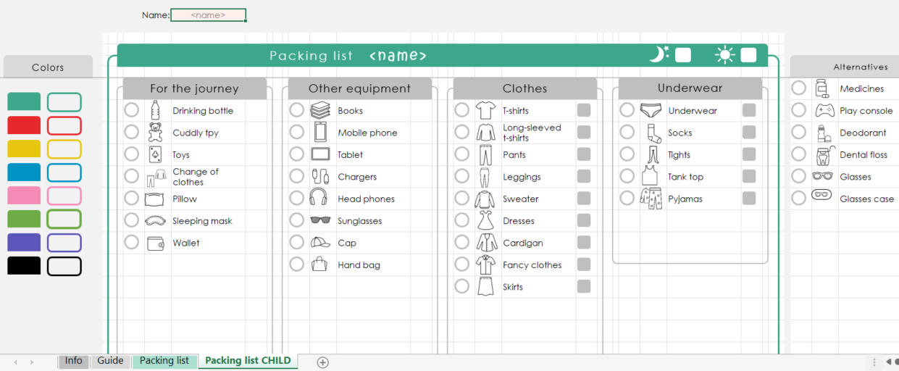
Grey cells should not be used.
How to use:
Packing list A4

Shapes float above the cells and can include text. They can be moved and adjusted, but be careful not to delete them by mistake.
Alternatives that may be cut out (Ctrl+x) and pasted (Ctrl+v) into the printable list.

Customize the list so that it fits your child and your family

Illustrations/images float above the cells. They can be moved, but be careful not to delete them by mistake.

NB! CHANGES IN COLOR CAN ONLY BE DONE IN EXCEL DESKTOP! The colored shapes makes it easy to customize the colors in your list. Select the shape with the right color, copy the format (Ctrl+Shift+C), then select the shapes you want to change and paste format (Ctrl+Shift+V)

The info sheet contains information about this template.
White cells illustrate the printable area or the alternatives that can be pasted.

Packing list
Name: | <name>

Packing list for
<name>
Colors
Alternatives
Baby stuff
Toiletries
For the journey
Going abroad
Clothes
Underwear
 |  |  |  |  |  | Medicines | Baby bottles
 | Wallet | Passport | T-shirts | Underwear | Sunscreen | Manicure / pedicure set | Baby food
 | Drinking bottle | Vaccination card | Long-sleeved t-shirts | Socks | Toothbrush | Wash cloths | Breast-feeding pillow
 | Thermo cup | Copy of tickets & passport | Pants | Tops / bras | Vitamines | Play console | Diapers
 | Pillow | Insurance information | Leggings | Tights | Tooth paste | Glasses | Baby carrier
 | Earplugs | Currency | Sweater | Pyjamas | Hair brush | Glasses case | Potty
 | Sleeping mask |  | Dresses | Tank top | Make-up | Razor | Baby call
 | Books |  | Cardigan |  | Shampoo & conditioner | Kindle | Omega-3 drops
 | Mobile phone |  | Fancy clothes |  | Shower gel | Golf set | Breast pump
Visiting someone
Equipment
 | Chargers |  | Skirts |  | Sanitary pads & tampons | Tablet | Nursing pads
 | Emergency charger | Gift for host |  | Hair dryer |  | Contact lenses etc.
 | Earphones | Wine |  | Straightener
Shoes
 | Change of clothes |  |  | Evening bag
 | Sunglasses |  | Sneakers | Jewelry
 | Handbag |  | Nice shoes | Camera
 | Umbrella

Packing list for
<name>

Outdoor wear
Fall / Winter
Spring / Summer
PC bag
Cabin trip
 | Rain gear | Buff | Shorts | PC | Coffee
 | Wellies | Woolen hat | Beach towel | Charger for PC | Toilet roll
 | Hiking shoes | Winter gloves | Sandals | Head set | Kitchen roll
 | Hiking jacket | Winter boots | Sun hat | PC mous | Spices; Salt, Pepper etc,
 | Hat / headband | Winter coat | Swim wear | Extra bag | White sugar
 | Gloves | Ski pants |  | Notebook & penn | Cocoa
 |  | Woolen socks |  | Business cards | Freezer bags
 |  | Woolen underwear set |  |  | Kitchen cloths
Sports wear
Sleepover
 |  | Woolen sweater |  |  | Kitchen towels
 | Training t-shirt | Thick woolen socks |  | Bed linen | Dishwashing liquid
 | Training leggings | Fleece |  | Wash towel | Board games
 | Training jacket / sweater |  |  | Bath towel
 | Training bra
 | Training socks
 | Jogging shoes
 | Fit bit

Packing list CHILD
Name: | <name>

Packing list
<name>
Colors
Alternatives
Underwear
For the journey
Other equipment
Clothes
 |  |  |  |  | Medicines
 | Drinking bottle | Books | T-shirts | Underwear | Play console
 | Cuddly tpy | Mobile phone | Long-sleeved t-shirts | Socks | Deodorant
 | Toys | Tablet | Pants | Tights | Dental floss
 | Change of clothes | Chargers | Leggings | Tank top | Glasses
 | Pillow | Head phones | Sweater | Pyjamas | Glasses case
 | Sleeping mask | Sunglasses | Dresses
 | Wallet | Cap | Cardigan
 |  | Hand bag | Fancy clothes
 |  |  | Skirts

Shoes
 |  |  | Sneakers
 |  |  | Dress shoes

Packing list for
<name>

Toiletries
Outdoor wear
Fall / Winter
Spring / Summer
 | Toothbrush | Rain gear | Woolen socks | Shorts
 | Tooth paste | Wellies | Woolen underwear set | Beach towel
 | Fluoride tablets | Hiking shoes | Woolen tights | Beach toys
 | Vitamines | Hiking jacket | Thick woolen socks | Sandals
 | Wash cloths | Hat / headband | Woolen sweater | Swimming aids
 | Sunscreen | Finger mittens | Fleece | Swim wear
 | Hair brush |  | Winter coat
 | Hair bands & hair clips |  | Overall
 |  |  | Buff
Sleepover
 |  |  | Woolen hat
 |  | Bed linen | Winter gloves
 |  | Wash towel | Winter shoes
 |  | Bath towel | Winter boots

