Validation
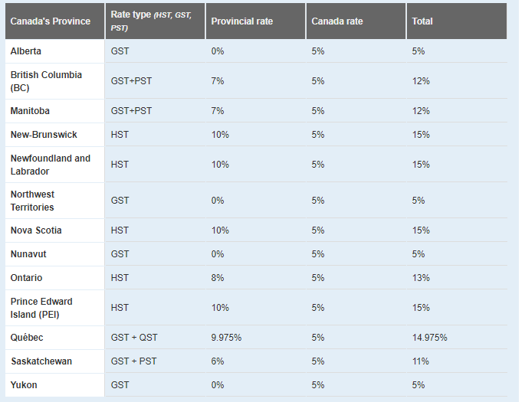
British Columbia | 5% | GST
Alberta | 5% | GST
Saskatchewan | 5% | GST
Manitoba | 5% | GST on vegetables and herbs; GST and PST on flowers
Ontario | 13% | HST
Quebec | 5% | GST
New Brunswick | 15% | HST
Nova Scotia | 15% | HST
Newfoundland & Labrador | 15% | HST
Prince Edward Island | 15% | HST
Northwest Territories | 5% | GST
Yukon Territories | 5% | GST
Nunavut | 5% | GST

